D1
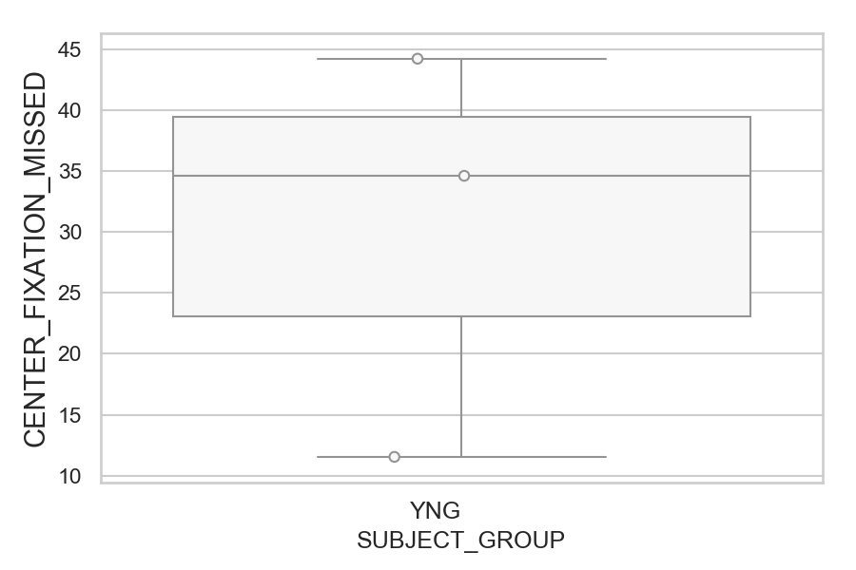
Total number of trials where center fixation was not accepted (too far from the center) (percentage)
SUBJECT_NAME | SUBJECT_GROUP | NUMBER_OF_TRIALS_WITH_CENTER_FIXATION_MISSING | TOTAL_NUMBER_OF_TRIALS | SUBJECT_AGE | VALUE
MP1 | YNG | 23 | 52 |  | 44.230769231
AW001CG | YNG | 18 | 52 | 19 | 34.615384615
AW002AF | YNG | 6 | 52 | 19 | 11.538461538

D1 (types)
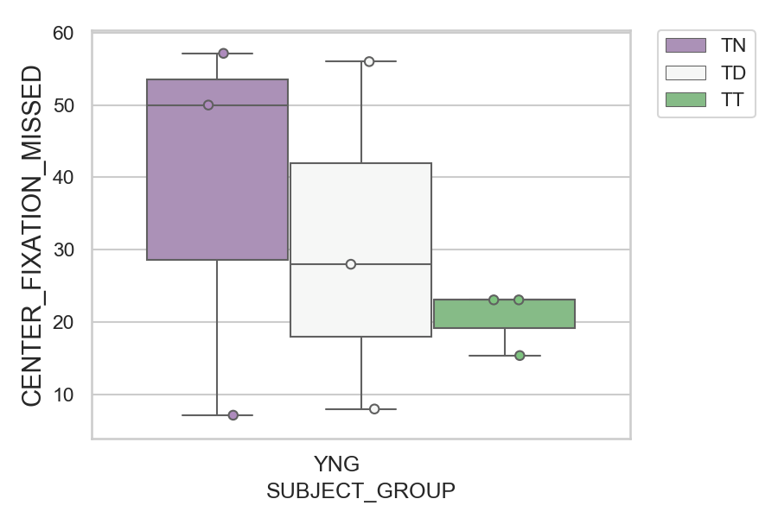
Total number of trials where center fixation was not accepted (too far from the center) (percentage)
SUBJECT_NAME | SUBJECT_GROUP | CONDITION_APPEARANCE | NUMBER_OF_TRIALS_WITH_CENTER_FIXATION_MISSING | TOTAL_NUMBER_OF_TRIALS | SUBJECT_AGE | VALUE
AW001CG | YNG | TN | 8 | 14 | 19 | 57.142857143
MP1 | YNG | TD | 14 | 25 |  | 56
MP1 | YNG | TN | 7 | 14 |  | 50
AW001CG | YNG | TD | 7 | 25 | 19 | 28
AW001CG | YNG | TT | 3 | 13 | 19 | 23.076923077
AW002AF | YNG | TT | 3 | 13 | 19 | 23.076923077
MP1 | YNG | TT | 2 | 13 |  | 15.384615385
AW002AF | YNG | TD | 2 | 25 | 19 | 8
AW002AF | YNG | TN | 1 | 14 | 19 | 7.1428571429

D2
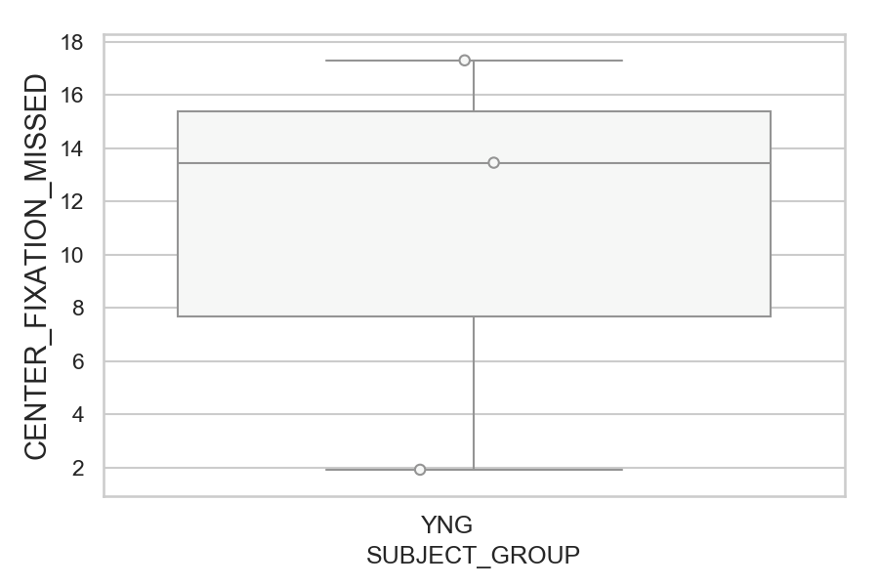
Total number of trials where center fixation was not accepted (too far from the center) (percentage)
SUBJECT_NAME | SUBJECT_GROUP | NUMBER_OF_TRIALS_WITH_CENTER_FIXATION_MISSING | TOTAL_NUMBER_OF_TRIALS | SUBJECT_AGE | VALUE
MP1 | YNG | 9 | 52 |  | 17.307692308
AW002AF | YNG | 7 | 52 | 19 | 13.461538462
AW001CG | YNG | 1 | 52 | 19 | 1.9230769231

D2 (types)
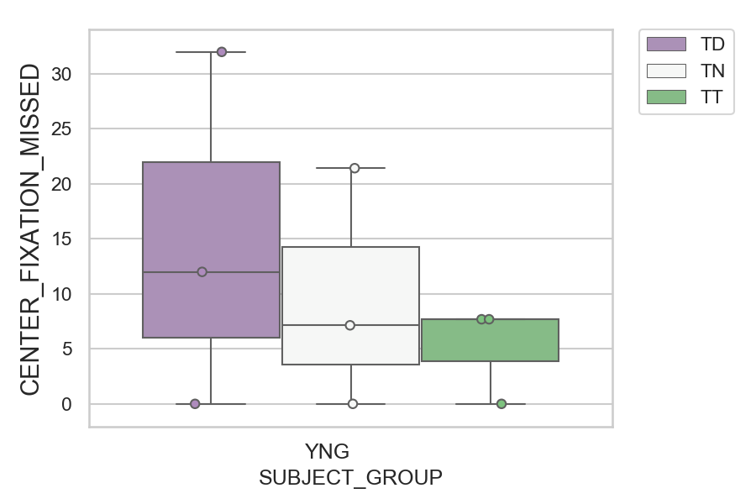
Total number of trials where center fixation was not accepted (too far from the center) (percentage)
SUBJECT_NAME | SUBJECT_GROUP | CONDITION_APPEARANCE | NUMBER_OF_TRIALS_WITH_CENTER_FIXATION_MISSING | TOTAL_NUMBER_OF_TRIALS | SUBJECT_AGE | VALUE
MP1 | YNG | TD | 8 | 25 |  | 32
AW002AF | YNG | TN | 3 | 14 | 19 | 21.428571429
AW002AF | YNG | TD | 3 | 25 | 19 | 12
AW001CG | YNG | TT | 1 | 13 | 19 | 7.6923076923
AW002AF | YNG | TT | 1 | 13 | 19 | 7.6923076923
MP1 | YNG | TN | 1 | 14 |  | 7.1428571429
AW001CG | YNG | TD | 0 | 25 | 19 | 0
AW001CG | YNG | TN | 0 | 14 | 19 | 0
MP1 | YNG | TT | 0 | 13 |  | 0

D2 (no D1 failed)
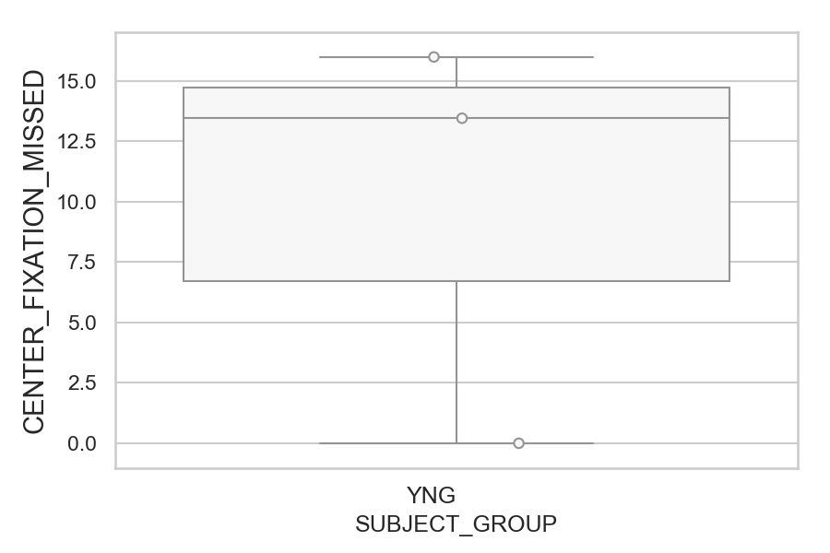
Total number of trials where center fixation was not accepted (too far from the center) (percentage)
SUBJECT_NAME | SUBJECT_GROUP | NUMBER_OF_TRIALS_WITH_CENTER_FIXATION_MISSING | TOTAL_NUMBER_OF_TRIALS | SUBJECT_AGE | VALUE
MP1 | YNG | 8 | 50 |  | 16
AW002AF | YNG | 7 | 52 | 19 | 13.461538462
AW001CG | YNG | 0 | 51 | 19 | 0

D2 (no D1 failed) (types)
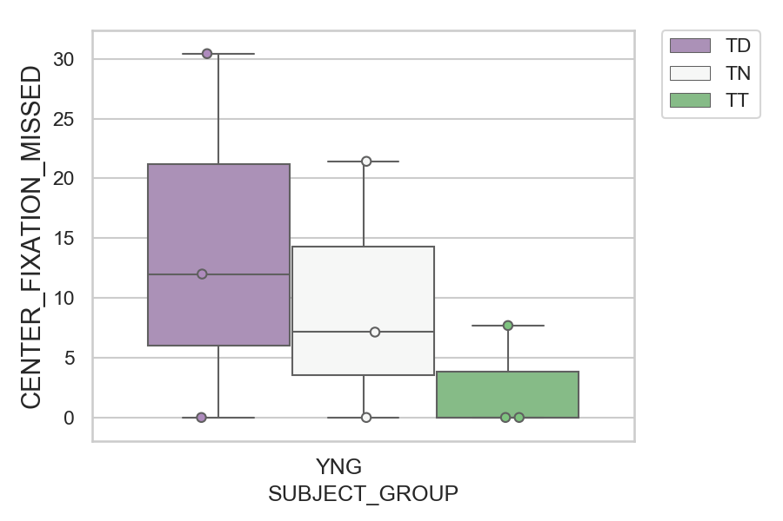
Total number of trials where center fixation was not accepted (too far from the center) (percentage)
SUBJECT_NAME | SUBJECT_GROUP | CONDITION_APPEARANCE | NUMBER_OF_TRIALS_WITH_CENTER_FIXATION_MISSING | TOTAL_NUMBER_OF_TRIALS | SUBJECT_AGE | VALUE
MP1 | YNG | TD | 7 | 23 |  | 30.434782609
AW002AF | YNG | TN | 3 | 14 | 19 | 21.428571429
AW002AF | YNG | TD | 3 | 25 | 19 | 12
AW002AF | YNG | TT | 1 | 13 | 19 | 7.6923076923
MP1 | YNG | TN | 1 | 14 |  | 7.1428571429
AW001CG | YNG | TD | 0 | 25 | 19 | 0
AW001CG | YNG | TN | 0 | 14 | 19 | 0
AW001CG | YNG | TT | 0 | 12 | 19 | 0
MP1 | YNG | TT | 0 | 13 |  | 0

